Hoja1
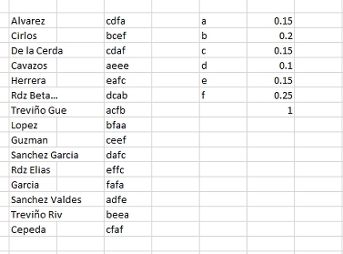
A | 0.2
B | 0.3
C | 0.25
D | 0.25

 | A | B | C | D
alfa | 0 | 0.2 | 0.5 | 0.75
beta | 0.2 | 0.5 | 0.75 | 1
I | 0.2 | 0.3 | 0.25 | 0.25

 | AA | AB | AC | AD
alfa | 0 | 0.04 | 0.1 | 0.15
beta | 0.04 | 0.1 | 0.15 | 0.2
I | 0.04 | 0.06 | 0.05 | 0.05

 |  |  |  |  | eafc
A | 0.15
C | 0.15
E | 0.15
F | 0.25

 | A | C | E | F
alfa | 0 | 0.15 | 0.3 | 0.45
beta | 0.15 | 0.3 | 0.45 | 0.7
I | 0.15 | 0.15 | 0.15 | 0.25

 | AA | AC | AE | AF |  |  | CA | CC | CE | CF |  |  | EA | EC | EE | EF
alfa | 0 | 0.0225 | 0.045 | 0.0675 |  | alfa | 0.15 | 0.1725 | 0.195 | 0.2175 |  | alfa | 0.3 | 0.3225 | 0.345 | 0.3675
beta | 0.0225 | 0.045 | 0.0675 | 0.105 |  | beta | 0.1725 | 0.195 | 0.2175 | 0.255 |  | beta | 0.3225 | 0.345 | 0.3675 | 0.405
I | 0.0225 | 0.0225 | 0.0225 | 0.0375 |  | I | 0.0225 | 0.0225 | 0.0225 | 0.0375 |  | I | 0.0225 | 0.0225 | 0.0225 | 0.0375

 |  |  |  |  |  |  |  |  |  |  |  |  | EAA | EAC | EAE | EAF
 |  |  |  |  |  |  |  |  |  |  |  | alfa | 0.3 | 0.303375 | 0.30675 | 0.310125
 |  |  |  |  |  |  |  |  |  |  |  | beta | 0.303375 | 0.30675 | 0.310125 | 0.31575
 |  |  |  |  |  |  |  |  |  |  |  | I | 0.003375 | 0.003375 | 0.003375 | 0.005625

 |  |  |  |  |  |  |  |  |  |  |  |  | EAFA | EAFC | EAFE | EAFF
 |  |  |  |  |  |  |  |  |  |  |  | alfa | 0.310125 | 0.31096875 | 0.3118125 | 0.31265625
 |  |  |  |  |  |  |  |  |  |  |  | beta | 0.31096875 | 0.3118125 | 0.31265625 | 0.3140625
 |  |  |  |  |  |  |  |  |  |  |  | I | 0.00084375 | 0.00084375 | 0.00084375 | 0.00140625

 | eafc
 | alfa | beta | long
e | 0.3 | 0.45 | 0.15 |  | a | c | e
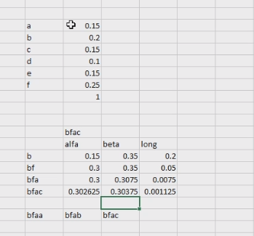
ea | 0.3 | 0.3225 | 0.0225 |  | ea
eaf | 0.316875 | 0.3225 | 0.005625 |  | eaa | eac | eae | eaf
eafc | 0.31771875 | 0.3185625 | 0.00084375 |  | eafa | eafc

 |  |  |  |  |  |  |  |  |  |  |  |  |  |  |  |  | bfa+(a+b)*b*f*a

 |  |  |  |  |  |  |  |  |  |  | a | b

 |  |  |  |  |  |  |  |  |  |  | BFAC |  | NO SALE

 |  |  |  |  |  |  |  |  |  |  | A | B | C | F
 |  |  |  |  |  |  |  |  |  | alfa | 0 | 0.15 | 0.35 | 0.5
 |  |  |  |  |  |  |  |  |  | beta | 0.15 | 0.35 | 0.5 | 0.75
 |  |  |  |  |  |  |  |  |  | I | 0.15 | 0.2 | 0.15 | 0.25

A | 0.15
C | 0.15 |  |  |  |  |  |  |  |  |  | AA | AB | AC | AF |  |  | BA | BB | BC | BF
F | 0.25 |  |  |  |  |  |  |  |  | alfa | 0 | 0.0225 | 0.0525 | 0.075 |  | alfa | 0.15 | 0.18 | 0.22 | 0.25
 |  |  |  |  |  |  |  |  |  | beta | 0.0225 | 0.0525 | 0.075 | 0.1125 |  | beta | 0.18 | 0.22 | 0.25 | 0.3
 |  |  |  |  |  |  |  |  |  | I | 0.0225 | 0.03 | 0.0225 | 0.0375 |  | I | 0.03 | 0.04 | 0.03 | 0.05

 | cfaf
 | A | C | F
alfa | 0 | 0.15 | 0.3
beta | 0.15 | 0.3 | 0.55
I | 0.15 | 0.15 | 0.25

 | alfa | beta | long
c | 0.15 | 0.3 | 0.15
cf | 0.2625 | 0.3 | 0.0375 |  |  | ca | cc | cf
cfa | 0.2625 | 0.268125 | 0.005625 |  |  | cfa
cfaf | 0.2641875 | 0.26559375 | 0.00140625 |  |  | cfaa | cfac | cfaf

